Dashboard
Female | 39
Male | 84
GENDER BASED HIRING
BACKGROUND VERIFICATION STATUS
 | Count of Name
RED | 83
AMBER | 83
GREEN | 84
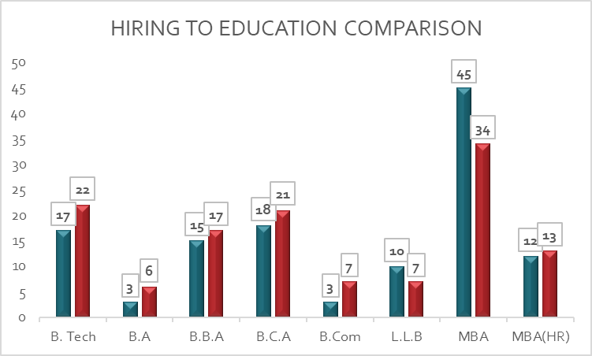
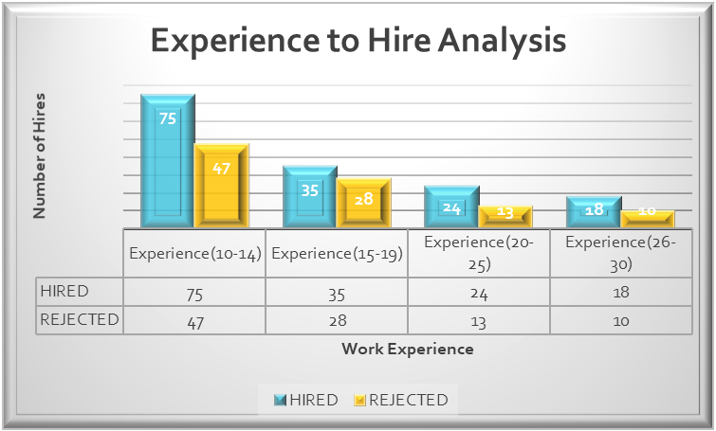
HIRED
REJECTED

RED
AMBER
GREEN
Male
83
83
84

Total Hire

APTITUDE TEST ABILITY
B. Tech | 27 | 12
B.A | 7 | 2
B.B.A | 27 | 5
B.C.A | 29 | 10
B.Com | 8 | 2
L.L.B | 13 | 4
MBA | 55 | 24
MBA(HR) | 17 | 8
MERIT BASED RECRUITMENT
NO | 77
YES | 46

HR CERTIFICATION
9
8
6
4
NO CERTIFICATION
4

TOTAL HIRED
123

2
2
1

PASS
183
1
FAIL
67
TOTAL
250

